Hoja1
USB pin (user port) | USB signal name* | MiSTer signal name* | Wire color‡ | Raspberry Pi pin | DB9 | DE-10 Nano Arduino pin§
1 | VBUS | +5V | NC | 2† | 5 | VCC5
2 | D- | TX (MIDI out) |  | 10 | 3 | SDA
3 | D+ | I²C SDA |  | 3 | 7 | SCL
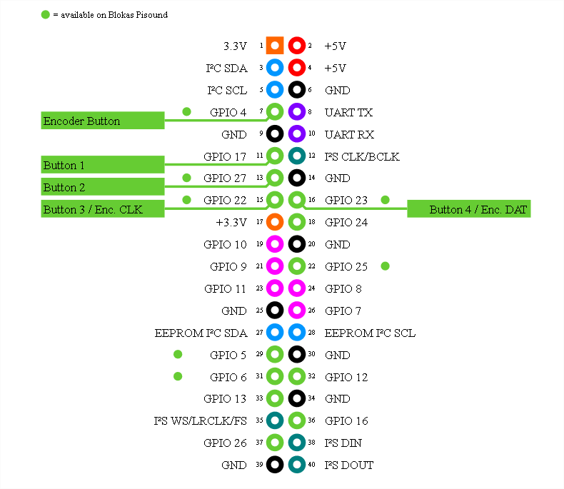
4 | GND | GND |  | 6 | 8 | GND
5 | RX- | I²S DAT |  | 40 | 1 | D10/SS
6 | RX+ | I²S BCLK |  | 12 | shield | D11/MOSI
7 | GND_DRAIN | I²C SCL |  | 5 | 6 | D12/MISO
8 | TX- | I²S WS |  | 35 | 4 | D13/SCK
9 | TX+ | RX (MIDI in) | NC | 8¶ | 9 | D8

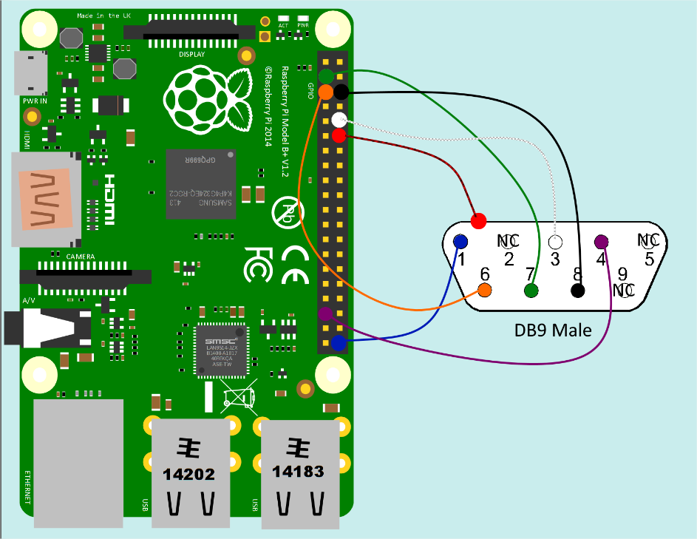
† Do not connect +5V if you want to use an external power supply for the Raspberry Pi.
¶ Optional, not currently used by mt32-pi.

